Sv e Sa
WordNet - wup |  | N1 |  |  |  | WordNet - wup |  | A1
 |  | Cat | Family | Food | Father |  |  | like | have | feed | acquire
N2 | Feline | 0.9655 | 0.5833 | 0.3 | 0.5833 | A2 | have | 0.5 | 1 | 0.8 | 0.8
 | House | 0.6364 | 1 | 0.4706 | 0.5263 |  | have | 0.5 | 1 | 0.8 | 0.8
 | Aliment | 0.625 | 0.4286 | 0.9231 | 0.4286 |  | provide | 0.3333 | 0.5 | 0.5 | 0.3333
 | Dad | 0.6154 | 0.72 | 0.3333 | 0.9655 |  | buy | 0.5 | 0.6667 | 0.6667 | 0.8

CAT
like
Family
Feline
have
House

acquire
have
buy
have
Father
Food
Dad
Aliment

feed
provide

E linha e N linha
Nós |  | N1 |  |  |  | Arestas |  | A1
 |  | Cat | Family | Father | Food |  |  | Cat, Family | Family, Food | Food,Father | Father, Cat
N2 | Feline | 1 | 1 | 1 | 1 | A2 | Feline,House | 1 | 1 | 1 | 1
 | House | 1 | 1 | 1 | 1 |  | House, Aliment | 1 | 1 | 1 | 1
 | Dad | 1 | 1 | 1 | 1 |  | Aliment, Dad | 1 | 1 | 1 | 1
 | Aliment | 1 | 1 | 1 | 1 |  | Dad, Feline | 1 | 1 | 1 | 1

CAT
like
have
Family
Feline
House

acquire
have
buy
have

Father
Food
Dad
Aliment

feed
provide

Fv
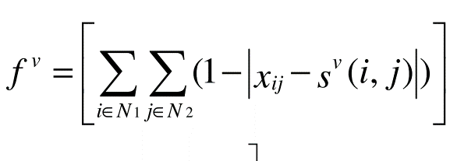
Nós |  | N1
 |  | Cat | Family | Father | Food | |Xij-Sv(i,j)| |  |  |  | Soma
N2 | Feline | 1 | 1 | 1 | 1 | 0.9655 | 0.5833 | 0.3 | 0.5833 | 2.4321
 | House | 1 | 1 | 1 | 1 | 0.6364 | 1 | 0.4706 | 0.5263 | 2.6333
 | Dad | 1 | 1 | 1 | 1 | 0.625 | 0.4286 | 0.9231 | 0.4286 | 2.4053
 | Aliment | 1 | 1 | 1 | 1 | 0.6154 | 0.72 | 0.3333 | 0.9655 | 2.6342
 |  |  |  |  |  |  |  |  | Total | 10.1049 | Fv

WordNet - wup |  | N1
 |  | Cat | Family | Food | Father
N2 | Feline | 0.9655 | 0.5833 | 0.3 | 0.5833
 | House | 0.6364 | 1 | 0.4706 | 0.5263
 | Aliment | 0.625 | 0.4286 | 0.9231 | 0.4286
 | Dad | 0.6154 | 0.72 | 0.3333 | 0.9655

